BR-AS-RP-01
ID: | BR-A-01

Hitting one Apple in the section of several Users

Specification: |  |  |  |  |  |  |  | Staff:

 | Type: | Bug |  |  | Status: | Submitted |  | Сommissioner:

Severity: |  | Major |  |  | Reproducibility: | Often |  |  | Creator: | Zhuravel Aleksandr

Priority: |  | High |  |  | Symptom: | Unexpected behavior

Description: |  |  |  |  |  |  |  | Date:

Steps To Reproduce: 1. Open "http://hrtest.alycedev.com/"; 2. Click "Grab apple" button in "Jonathan" section; 3. Wait 1 minute; 4. Click "Grab apple" button in "Adrian" section; 5. Wait 1 minute; 6. Click "Grab apple" button in "Julie" section; 7. Wait 1 minute; 8. Click "Grab apple" button in "Adrian" section; 9. Wait 1 minute; 10. Click "Grab apple" button in "Jonathan" section. Actual result: Apple2 was added at the same time to the sections "Jonathan" and "Adrian", Apple1 is missing, Apples3-5 remained in the basket. Expected Result: The "Jonathan" section will have Apple1 and Apple5, the apple counter will show "2"; the "Adrian" section will have Apple2 and Apple4, the apple counter will show "2"; the "Julie" section will have Apple3, the apple counter will show "1"; "Basket" frame will be empty. Reference to the requirement: |  |  |  |  |  |  |  |  | Date of creation: | 2020-09-04

 |  |  |  |  |  |  |  | Environment:

 |  |  |  |  |  |  |  | Operating system: Windows 10 Home 64-bit OS assembly - 19041.450 Computer specifications: CPU - AMD Ryzen 7 3700U 2.30 GHZ RAM - 16 Gb Browser: Google Chrome 85.0.4183.83

Attachments:

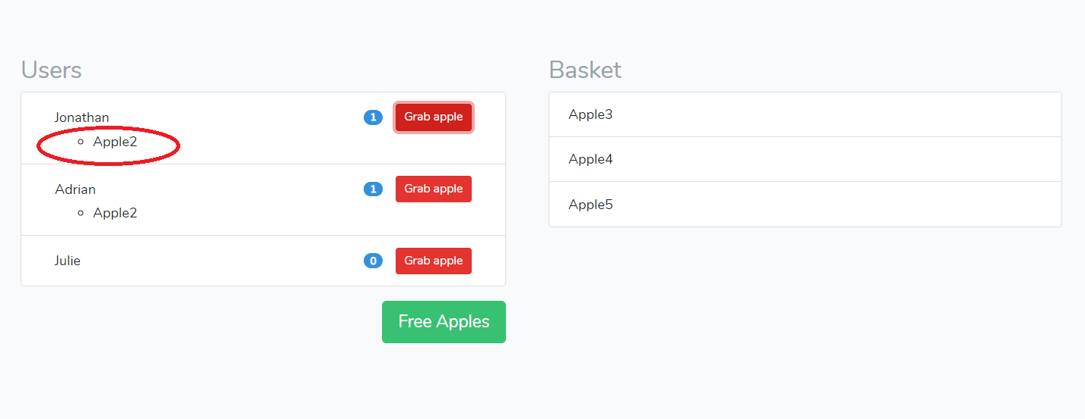

Comments:

 | Creator: | Zhuravel Aleksandr |  |  |  | Date of creation: | 2020-09-04

Types | Severity |  | Priority | Statuses |  |  | Symptoms | Reproducibility
Bug | Critical |  | ASAP | Submitted |  |  | Cosmetic defects | Always
Improvement | Major |  | High | Assigned |  |  | Data loss/corruption | Often
 | Medium |  | Normal | Verified |  |  | Problems of documentation | Rarely
 | Minor |  | Low | Fixed |  |  | Invalid operation
 |  |  |  | Declined |  |  | Installation problem
 |  |  |  | Deferred |  |  | Localisation mistake
 |  |  |  | Reopened |  |  | Unrealized functionality
 |  |  |  |  |  |  | Low productivity
 |  |  |  |  |  |  | System crash
 |  |  |  |  |  |  | Unexpected behavior
 |  |  |  |  |  |  | Unfriendly behavior
 |  |  |  |  |  |  | Discrepancy with requirements

